Workflow Diagrams
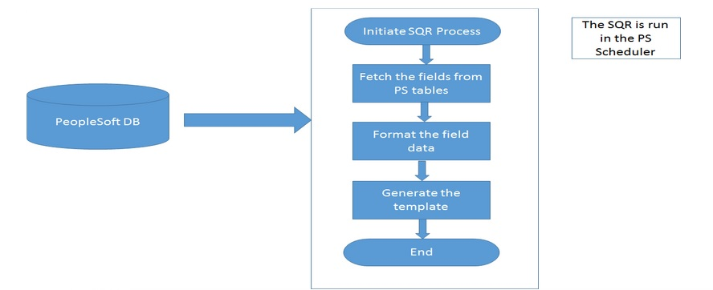
- APSUPORG (Supervisory Org Extract) Design Specification
 | Workflow Diagrams

